workwheet

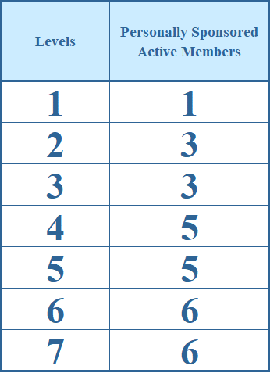
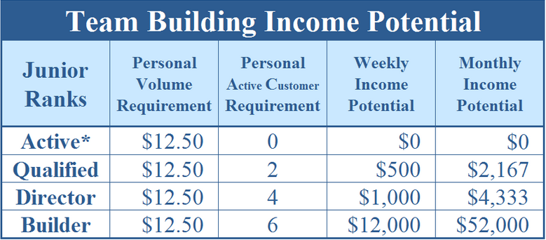
#DIV/0!
 |  |  | Unilvel Payout

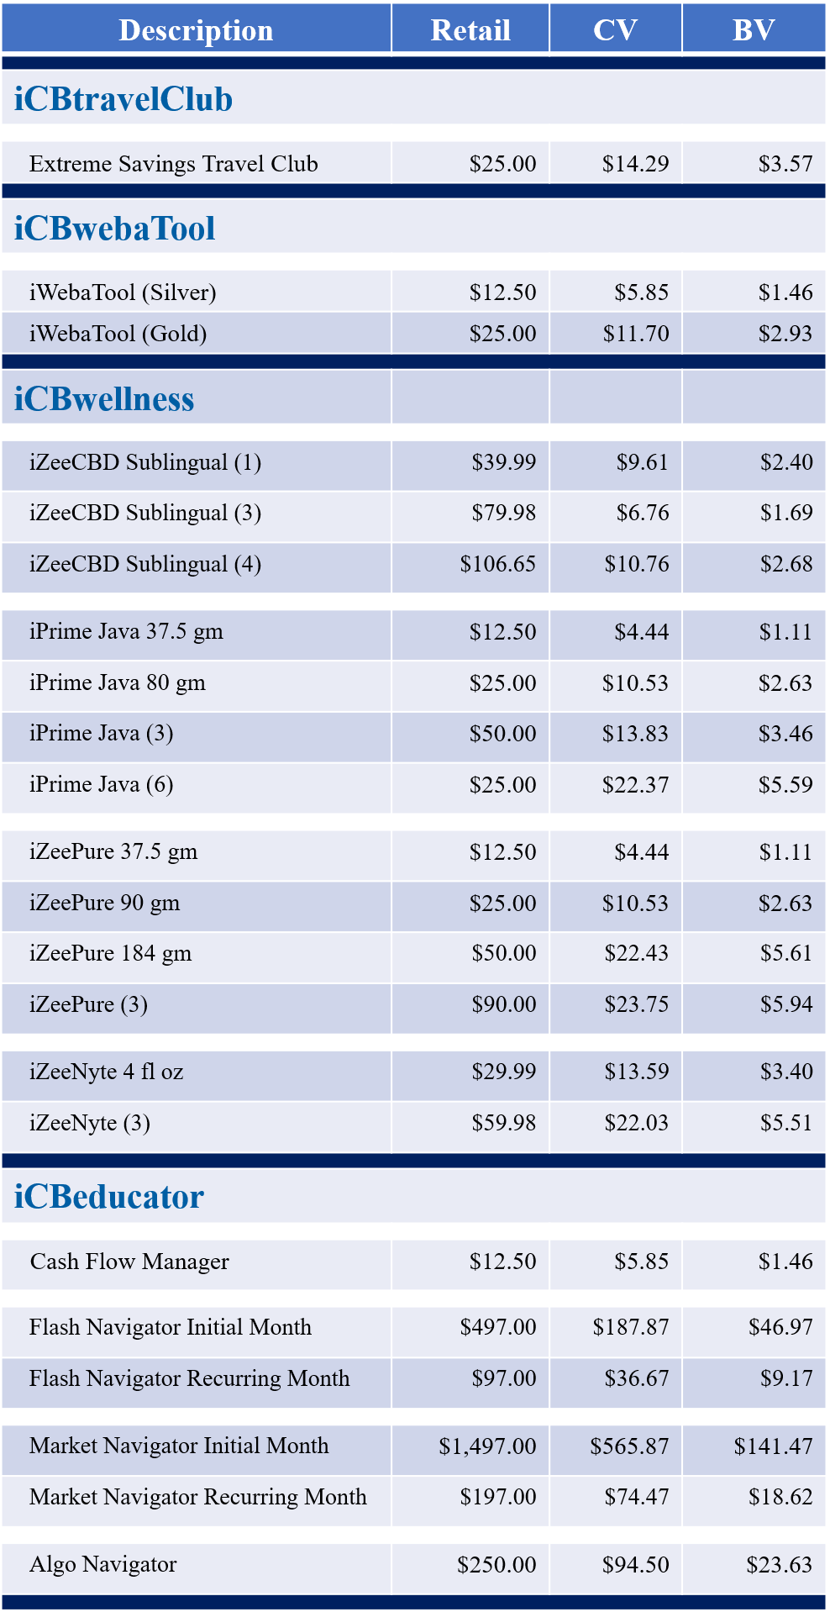
 |  |  | $0.00
 |  |  | $0.00
 |  |  | $0.00
 |  |  | $0.00
 |  |  | $0.00
 |  |  | $0.00
 |  |  | $0.00
This is not a guarantee of income. This is just an example of income based on the referral reward system payout assuming all IBOs will be doing the same activity. Your success will be dependent upon what you do.

Retail Price | $0.00 | IBOs |  | Uni-Level | Binary | Monthly | Annual
 |  | New | Total | CASH | Commissions | Income | Income
 |  | 0 | 0 | $0 | $0 | $0 | $0
Personally Sponsored Members | 0 | 0 | 0 | $0 | $0 | $0 | $0
 |  | 0 | 0 | $0 | $0 | $0 | $0
 |  | 0 | 0 | $0 | $0 | $0 | $0
 |  | 0 | 0 | $0 | $0 | $0 | $0
BV | 0 | 0 | 0 | $0 | $0 | $0 | $0
CV | 0 | 0 | 0 | $0 | $0 | $0 | $0

